Sheet1
Yeezy Boost 350 V2

ITEM | DESCRIPTION | PICTURE | SIZE | QTY/BOX | QTY/BOX | T-QTY

Yeezy Boost 350 V2 | sport shoes | 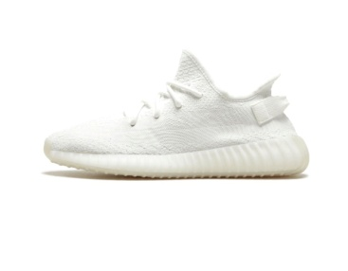 | 36/2 37/2 38/3 39/3 40/2 | 12 | 24 | 288
Yeezy Boost 350 V2 | sport shoes |  | 40/1 41/2 42/3 43/2 44/2 45/1 46/1 | 12 | 24 | 288
Yeezy Boost 350 V2 | sport shoes | 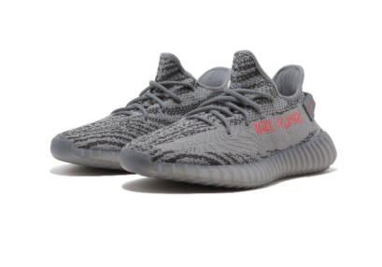 | 40/1 41/2 42/3 43/2 44/2 45/1 46/1 | 12 | 48 | 576
Yeezy Boost 350 V2 | sport shoes |  | 40/1 41/2 42/3 43/2 44/2 45/1 46/1 | 12 | 48 | 576
Yeezy Boost 350 V2 | sport shoes | 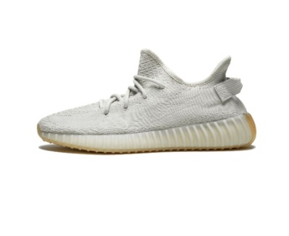 | 40/1 41/2 42/3 43/2 44/2 45/1 46/1 | 12 | 48 | 576
Yeezy Boost 350 V2 | sport shoes | 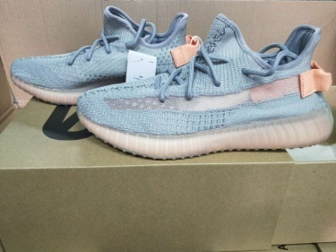 | 40/1 41/2 42/3 43/2 44/2 45/1 46/1 | 12 | 48 | 576
Yeezy Boost 350 V2 | sport shoes | 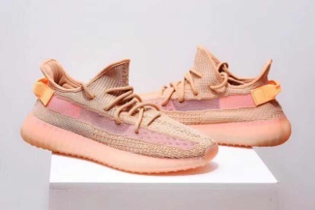 | 40/1 41/2 42/3 43/2 44/2 45/1 46/1 | 12 | 48 | 576
Yeezy Boost 350 V2 | sport shoes | 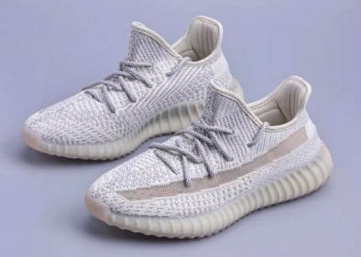 | 40/1 41/2 42/3 43/2 44/2 45/1 46/1 | 12 | 48 | 576
Yeezy Boost 350 V2 | sport shoes | 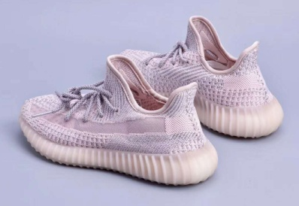 | 40/1 41/2 42/3 43/2 44/2 45/1 46/1 | 12 | 48 | 576
Yeezy Boost 350 V2 | sport shoes | 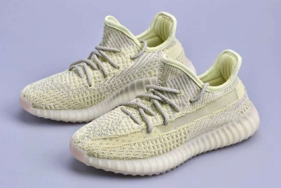 | 40/1 41/2 42/3 43/2 44/2 45/1 46/1 | 12 | 48 | 576
Yeezy Boost 350 V2 | sport shoes | 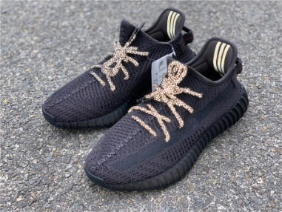 | 40/1 41/2 42/3 43/2 44/2 45/1 46/1 | 12 | 48 | 576
Yeezy Boost 350 V2 | sport shoes | 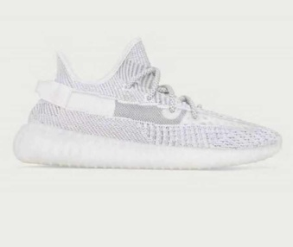 | 40/1 41/2 42/3 43/2 44/2 45/1 46/1 | 12 | 48 | 576
 |  |  |  |  | 528 | 6336

